Print Page 1
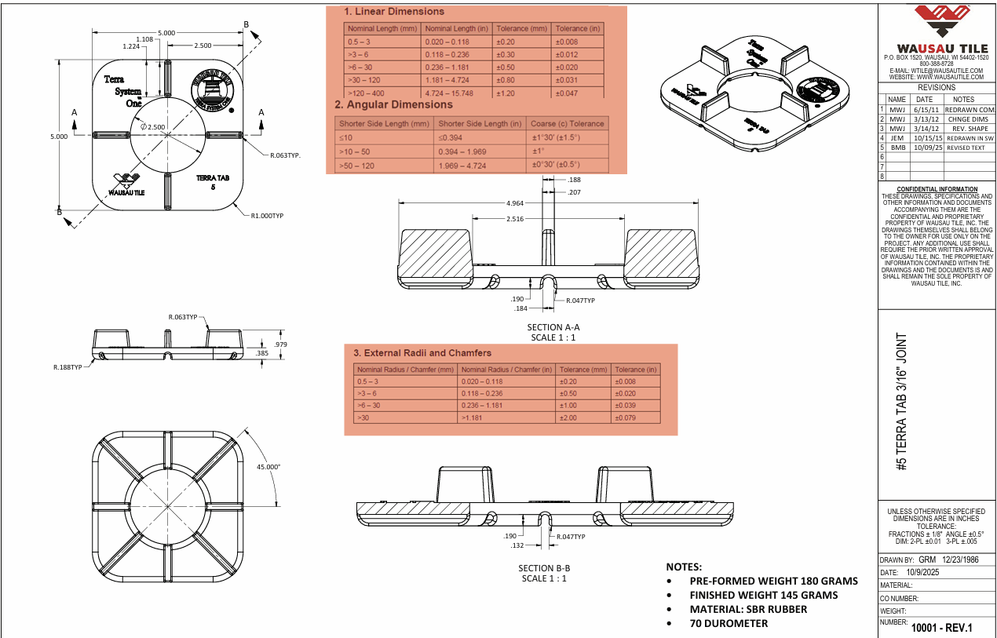
4
5
1
3

6
2

8
20
9
22

7
10

17
11
14
12
18

19
16

15

11
14
13

22

Tolerance Table
